Notes
Data Item | Value | Source & Notes
Valuation Date | 2026-02-05 | All data as of 5 February 2026. This is the frozen valuation date for the FRTB SA calculation.
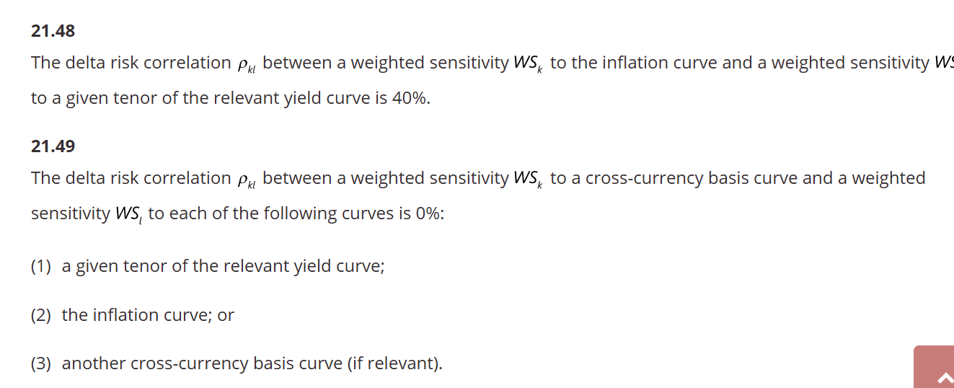

USD Treasury Curve | 1M-30Y | Source: FRED. 11 tenors: 1M,3M,6M,1Y,2Y,3Y,5Y,7Y,10Y,20Y,30Y. FRTB tenors: interpolate 0.25Y from 1M/3M, 0.5Y=6M, 15Y from 10Y/20Y.
USD SOFR OIS Curve | 1M-30Y | Source: Pensford anchors for 3M Term SOFR (4.14%), 5Y SOFR Swap (3.36%), 10Y SOFR Swap (3.65%) as of Feb 2026; remaining tenors derived by adding the calibrated Treasury-SOFR basis curve to FRED Treasury yields (positive basis at front end, negative at long end, consistent with typical late-cycle structure). Now the primary USD risk-free curve per MAR21.39. Treasury column retained for reference.
OAS by Rating | AAA-B | Source: FRED ICE BofA indices. 6 ratings. Used as proxy for issuer credit spreads in CSR delta.
Equity Prices | 10 tickers | Source: Yahoo Finance. NVDA, AAPL, GOOGL, MSFT, AMZN, META, JPM, BRK.B, XOM, EQIX.
SPX_Close | 6798.40 | Source: Yahoo Finance. S&P 500 closing level.
VIXCLS | 21.77 | Source: FRED. Used as ATM implied vol proxy for SPX options: σ ≈ 21.77%.

USD/GBP | 1.3645 | Source: User-provided. USD per 1 GBP. Used for FX delta on IL gilts and XCcy swap.
BCOMCTGT | 145.36 | Source: User-provided. Bloomberg Commodity Total Return Index level. Used for commodity delta on TRS positions.
SONIA_1Y | 4.05% | Source: Chatham Financial / BoE data, ~5-6 Feb 2026. GBP OIS 1Y swap rate.
SONIA_2Y | 3.42% | Source: Chatham Financial, cited as of 6 Feb 2026. GBP OIS 2Y swap rate.
SONIA_3Y | 3.50% | Source: Interpolated from 2Y (3.42%) and 5Y (3.66%) using curve shape from multiple sources.
SONIA_5Y | 3.66% | Source: Chatham Financial, cited as of 6 Feb 2026. GBP OIS 5Y swap rate.
SONIA_10Y | 3.95% | Source: Market sources (Vedanta Hedging, mortgage market data). GBP OIS 10Y swap rate. Consistent with 10Y gilt at 4.43% minus ~50bps swap-gilt spread.
UK_GILT_10Y | 4.43% | Source: Multiple — Morningstar UK, NIESR, GiltEdge.uk all cite 4.43% for Feb 2026. 10Y nominal gilt yield.
UK_REAL_10Y | 0.95% | Source: Estimated from market commentary on UK IL gilt real yields, early 2026. Consistent with LSEG/FTSE commentary on 'high real yields'.
UK_BREAKEVEN_10Y | 3.48% | Computed: UK_GILT_10Y (4.43%) minus UK_REAL_10Y (0.95%) = 3.48%. Used as GBP inflation risk factor (flat, per MAR21.8(2)).

GIRR (USD bucket) |  | Risk-free curve: USD SOFR OIS 1M-30Y per MAR21.39. Map to FRTB tenors 0.25Y-30Y.
GIRR (GBP bucket) |  | Risk-free curve: SONIA 1Y-10Y. Used for IL gilts and GBP leg of XCcy swap.
GIRR Inflation (GBP) |  | UK_BREAKEVEN_10Y = 3.48%. Single flat scalar per MAR21.8(2).
GIRR XCcy Basis (GBP) |  | Basis = -8bps from portfolio. Single flat scalar per MAR21.8(3).
CSR Non-Sec |  | Rating-based OAS: map each bond's rating to AAA_OAS through B_OAS.
Equity |  | Spot prices direct from file. Delta = MV for spot holdings.
Equity Options |  | SPX_Close for spot. VIXCLS/100 for implied vol. Strikes/expiries from portfolio.
Commodity |  | BCOMCTGT level for commodity delta. Linear: delta = notional for TRS.
FX |  | USD/GBP for FX delta on all GBP-denominated positions.

